Cover
Milan Municipality
Department of Digital Transformation

Introduction
1
Analysis model of the benefits brought about by digitization
Analysis Model
2

Introduction
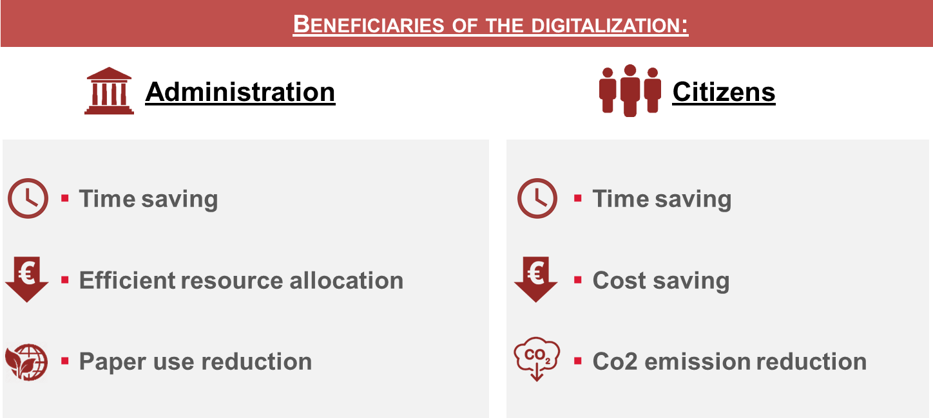
Cover
Analysis model of the benefits brought about by digitization

1. Objectives and aims of the model
The ultimate goal of the analysis model of the benefits brought about by digitization is to provide the various departments involved with summary indicators on a homogeneous calculation basis of the benefits deriving from the initiatives implemented.
The structure of the model allows for a double evaluation:
- Ex-ante potential benefit assessments (theoretical benefit)
- Ex-post final evaluation of the benefits obtained (monitoring)

2. Structure and composition of the model

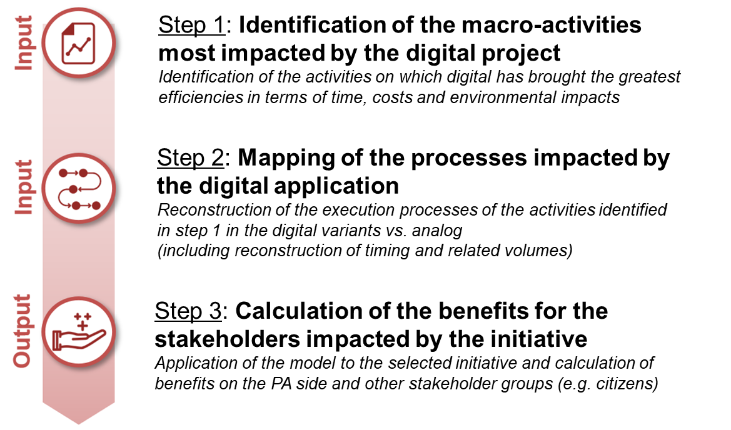
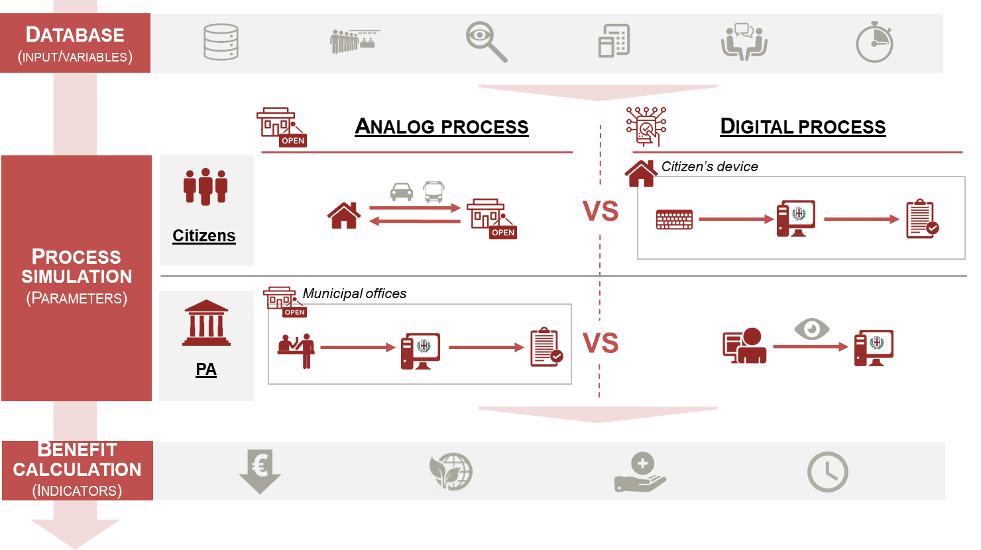

3. Synthetic KPI for the quantification of benefits
The quantification of the benefits of digitization is summarized in 6 indicators, of which 3 refer to the PA and 3 to the Citizen, to show the double effect of digitization in terms of improving the efficiency of the PA's organizational structure and improving the level of service offered to citizens.

New Digital Project
Application of the model to a "New Digital Project"

Input Cells
Project Name:

Scope: | Indicate the scope of application of the digital project

Progress: | Select between: Design phase; In development; Solution implemented

Project Objective
...

Main activities impacted by digital

1
Activity 1 | Go To:
2
Input Collection
A
Activity 2
3
Analysis Results
B
Activity 3
4
Activity 4
5
Activity 5

Input Collection
Home NPD
Results
New Digital Project: Input Collection
Input Cells
Analysis Period:
Year 1 | 2020

Year 2 | 2021

Example Values
Year 3 | 2022

1
Activity 1

Activity N° - Year 1 |  | Number of times the activity was repeated in the first year

Activity N° - Year 2 |  | Number of times the activity was repeated in the second year

Activity N° - Year 3 |  | Number of times the activity was repeated in the third year

Advantages for the Public Administration:

Analogic Process |  |  | Digital Process

Step: | Timing (min): |  | Step: | Timing (min):
Step 1 (es. start process) | 5 |  | Step 1 (es. start process) | 2.5
Step 2 | 6 |  | Step 2 | 3
Step 3 | 4 |  | Step 3 | 2
Step 4 | 10 |  | Step 4 | 5
Step 5 | 15 |  | Step 5 | 7.5
Step 6 | 15
Step 7 | 10
Step 8 | 11
Step 9 | 6
Step 10 | 3

Total time taken (min): | 85 |  | Total time taken (min): | 20

Sheets of paper used: | Sheets (N°): |  | Sheets of paper used: | Sheets (N°):
Pratica 1 | 4
Pratica 2 | 10
Pratica 3 | 15
Pratica 4 | 20
Pratica 5 | 7

N° Sheets of paper used: | 56 |  | N° Sheets of paper used: | 0

Saving of time (min) | 65

Saving of paper sheets (N°) | 56

Advantages for Citizens:

Analogic Process |  |  | Digital Process

Step: | Timing (min): |  | Step: | Timing (min):
Step 1 (es. process start) | 5 |  | Step 1 (es. process start) | 2.5
Step 2 | 6 |  | Step 2 | 3
Step 3 | 4 |  | Step 3 | 2
Step 4 | 10 |  | Step 4 | 5
Step 5 | 15 |  | Step 5 | 7.5
Step 6 | 15 |  | Step 6 | 7.5
Step 7 | 10
Step 8 | 11
Step 9 | 6
Step 10 | 3

Total time taken (min): | 85 |  | Total time taken (min): | 27.5

Suatained costs: | Costs (€): |  | Sustained costs: | Costs (€):
Cost 1 | 2 |  | Cost 1 | 1
Cost 2 | 5 |  | Cost 2 | 2.5
Cost 3 | 10 |  | Cost 3 | 5
Cost 4 | 12
Cost 5 | 4

Total Sustained Cost (€): | 33 |  | Total Sustained Cost (€): | 8.5

Reference Office: | via Larga

Km traveled: | Km: |  | Km traveled: | Km:
Gone | 3
Return | 3

N° Total traveled Km: | 6 |  | N° Total traveled Km: | 0

Saving of time (min) | 57.5

Saving of costs (€) | 24.5

Reduction of traveled Km: | 6

2
Activity 2

3
Activity 3

4
Activity 4

5
Activity 5

Analysis Results
Go to:

Results
Home NPD
New Digital Project: Analysis Results
Back to input collection

Example values

Beneficiary | KPI summary | 2020 | 2021 | 2022
PA Benefits | Efficient resource allocation (FTEs) | 3.9 | 5.0 | 6.8
 | Efficient resource allocation (€) | 115,747 € | 149,351 € | 205,357 €
 | Paper consumption reduction (# sheets) | 347,200 | 448,000 | 616,000
 | Reduction of paper consumption (trees) | 4.4 | 5.7 | 7.8
Citizen Benefits | Time savings (minutes) | from 57,5 min to 57,5 min per travel | from 57,5 min to 57,5 min per travel | from 57,5 min to 57,5 min per travel
 | Cost savings (€) | from 24,5€ to 24,5€ per travel | from 24,5€ to 24,5€ per travel | from 24,5€ to 24,5€ per travel
 | Reduction of Co2 emissions (T of Co2) | 1.7 | 2.2 | 3.1

Analysis Parameters
Input Cells
New Digital Project: Parameters for analysis

Example Values
Annual resource cost: | 30,000 €
Paper sheets per tree | 79,000
Kg CO2 emitted per Km traveled | 0.08
Working hours / year | 1,540
Ratio of car use vs public transport -% | 33%

